DEWATA COCONUT (Coconut)
DATE | INV NO. | DESCRIPTIONS | AMOUNT | BILLS | PRICE | TOTAL
2025-12-01 | 12340 | COCONUT LOGO | 20 | 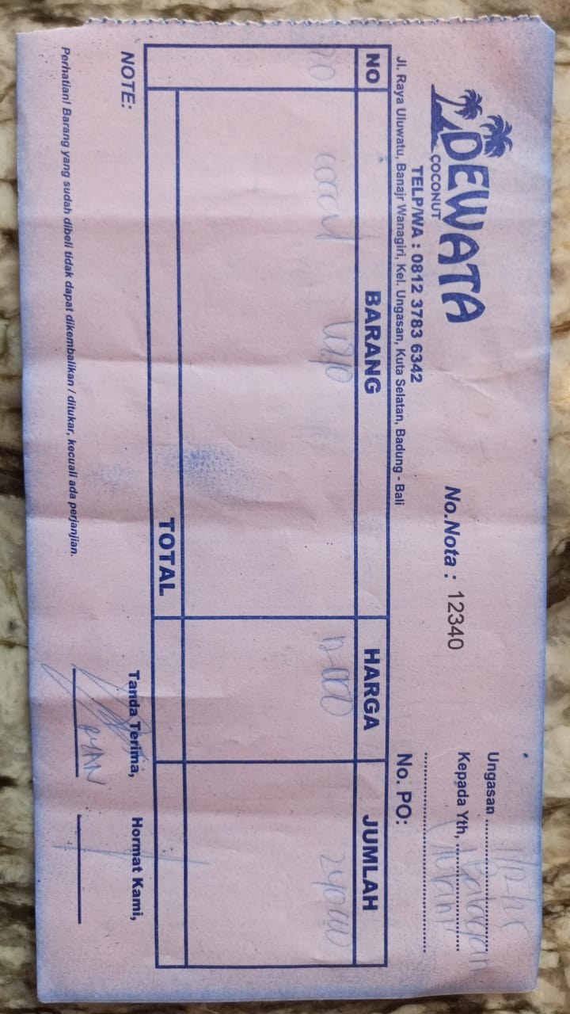 | IDR 12,000 | IDR 240,000
2025-12-03 | 12357 | COCONUT LOGO | 20 | 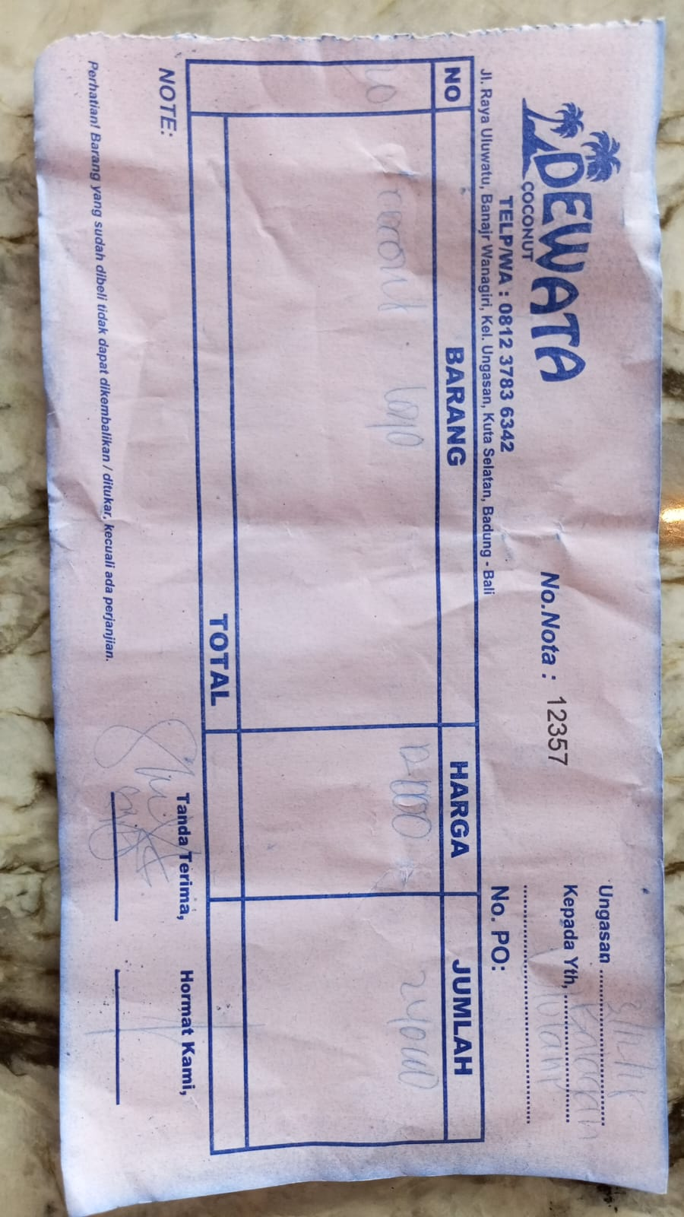 | IDR 12,000 | IDR 240,000
2025-12-05 | 11374 | COCONUT LOGO | 20 | 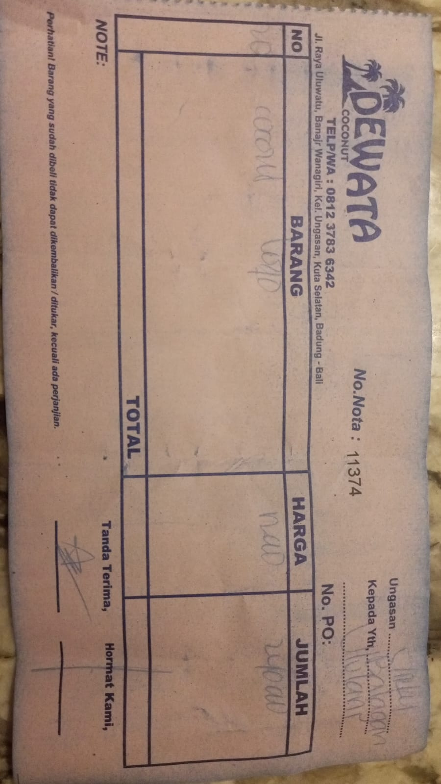 | IDR 12,000 | IDR 240,000
2025-12-07 | 13396 | COCONUT LOGO | 20 | 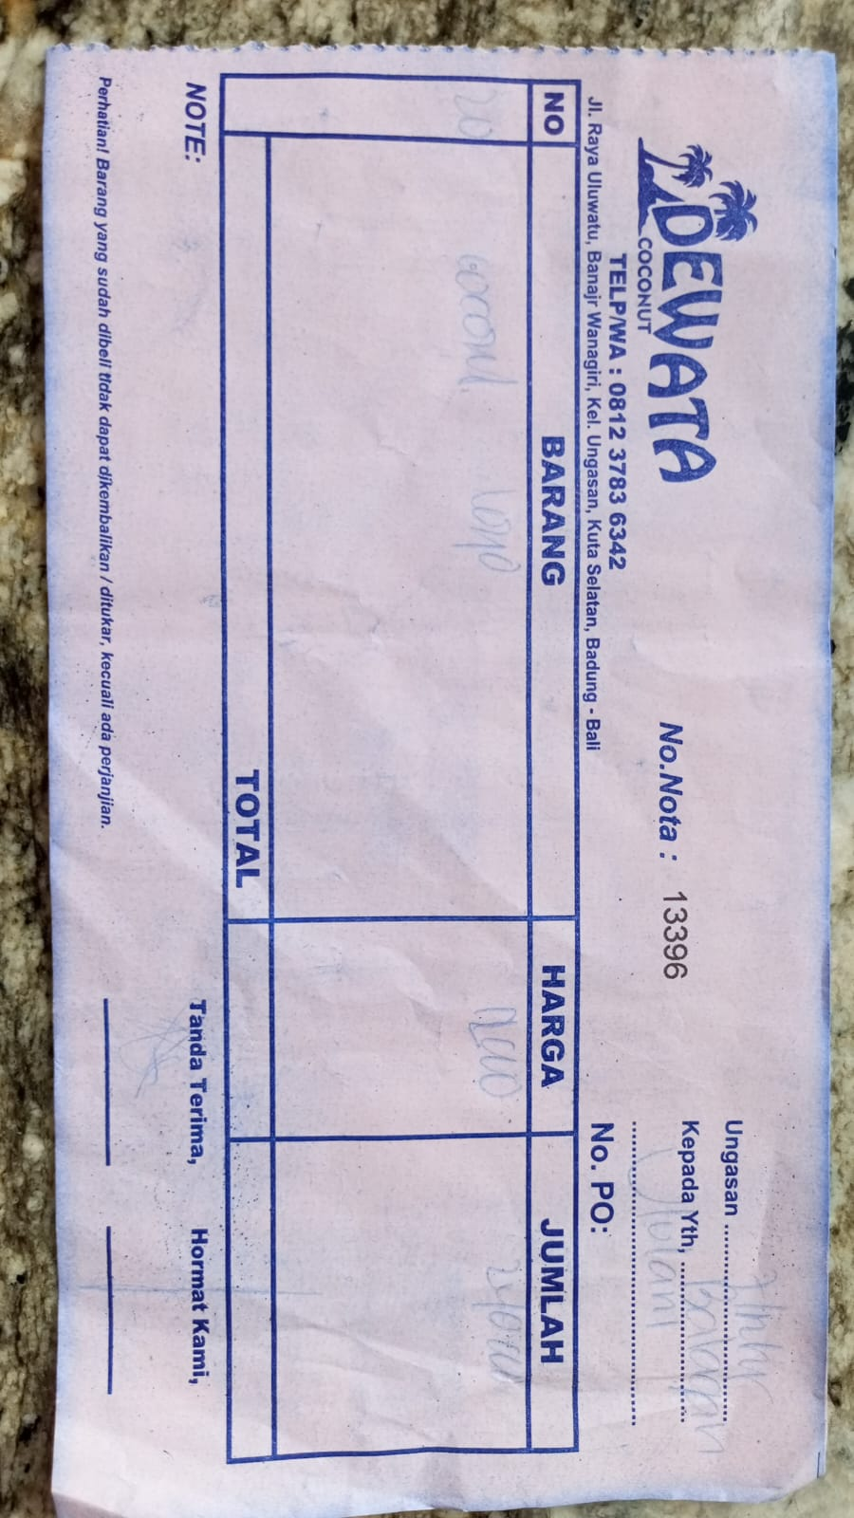 | IDR 12,000 | IDR 240,000
2025-12-11 | 11474 | COCONUT LOGO | 20 | 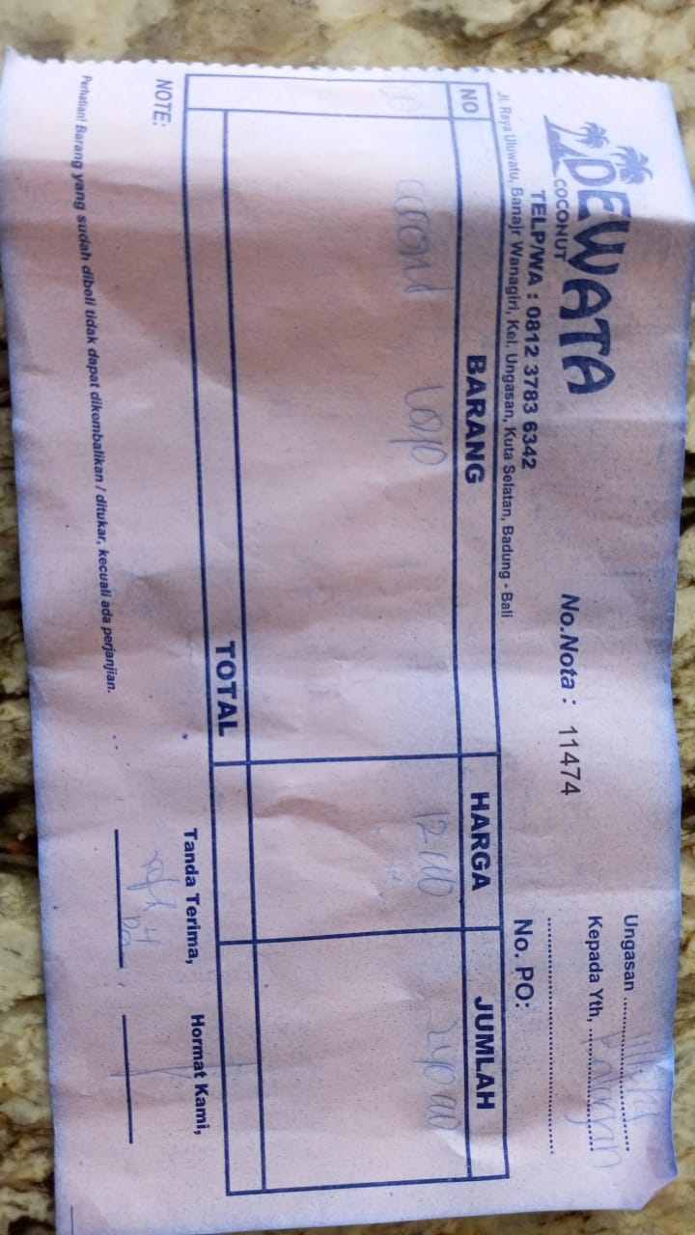 | IDR 12,000 | IDR 240,000
2025-12-15 | 13509 | COCONUT LOGO | 20 | 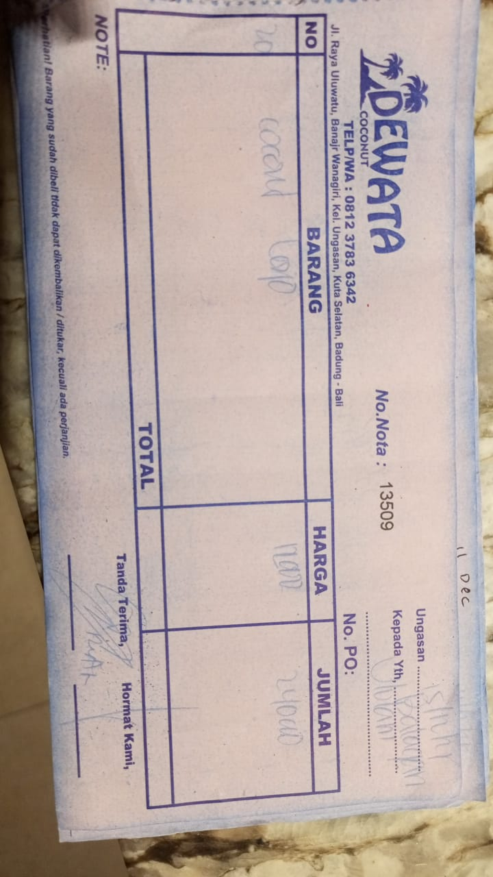 | IDR 12,000 | IDR 240,000
2025-12-19 | 8224 | COCONUT LOGO | 20 | 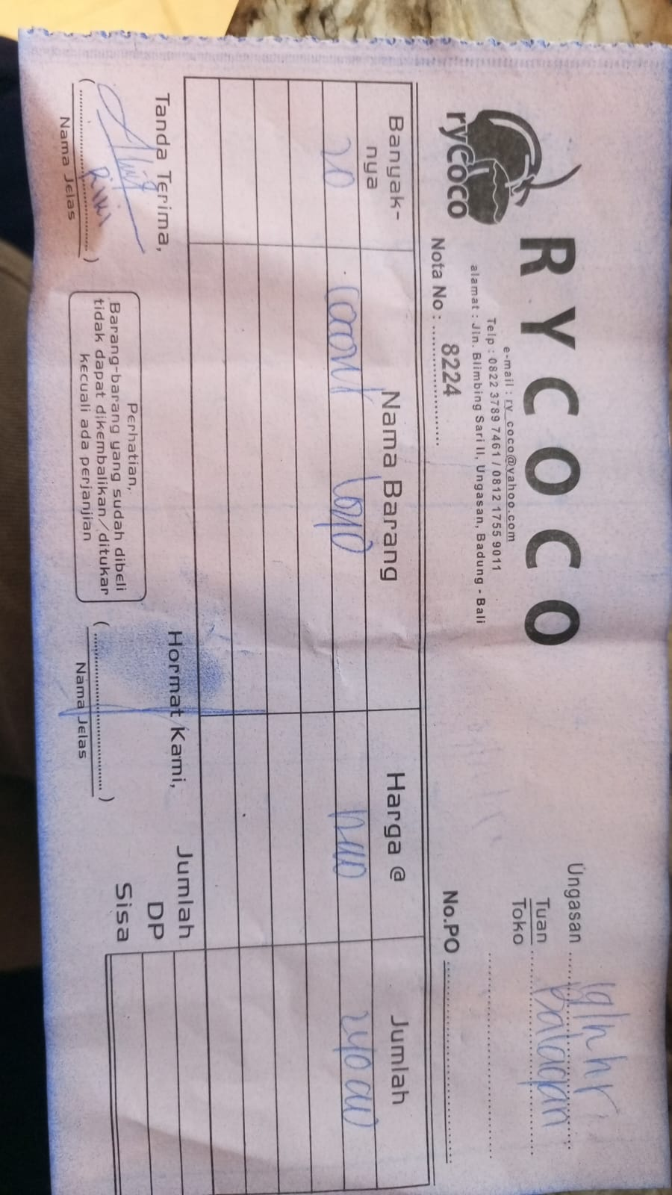 | IDR 12,000 | IDR 240,000
2025-12-21 | 12122 | COCONUT LOGO | 20 | 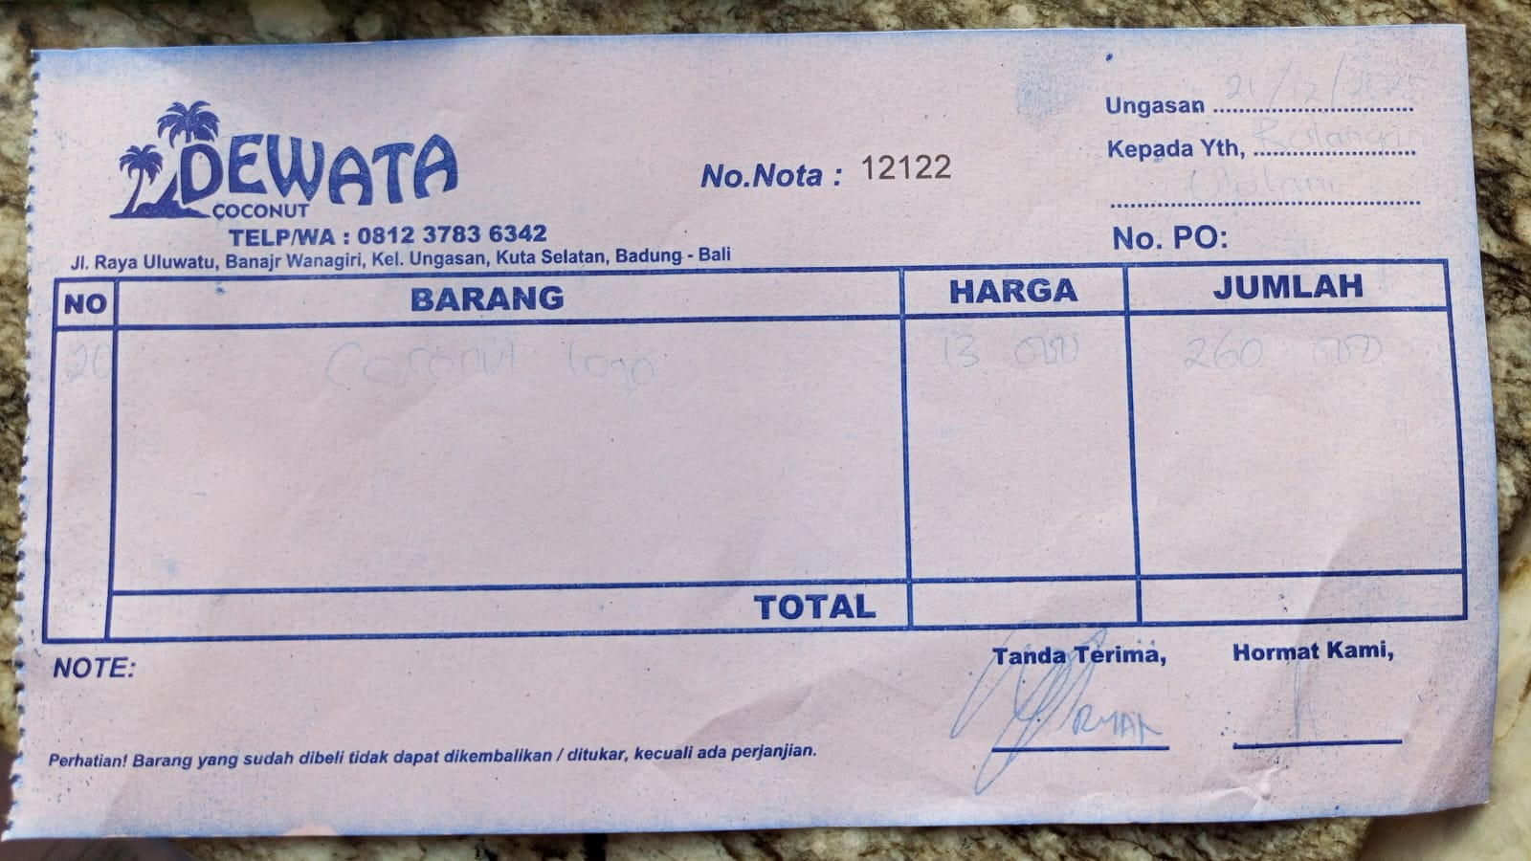 | IDR 13,000 | IDR 260,000
2025-12-27 | 12122 | COCONUT LOGO | 20 |  | IDR 13,000 | IDR 260,000
2025-12-31 | 12122 | COCONUT LOGO | 20 |  | IDR 12,000 | IDR 240,000
 |  |  |  | Rp2,440,000

PNB (Alcohol)
DATE | INV NO. | DESCRIPTIONS | QTY | BILLS | UNIT PRICE | SUB TOTAL | TOTAL
1-Dec-2025 | SPNO2512004 | JOSE CUERVO GOLD | 3 | 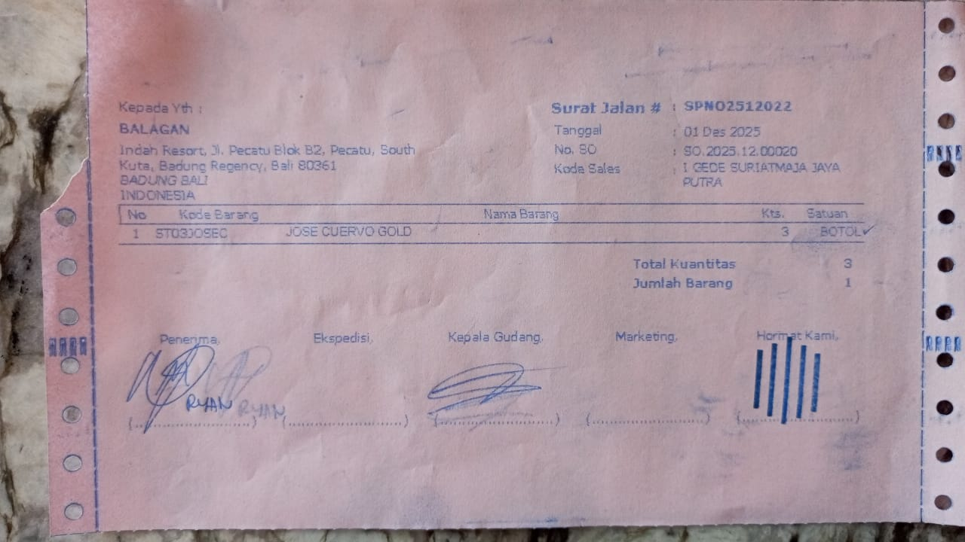 | IDR 425,000 | IDR 1,275,000 | IDR 1,275,000
31-Dec-2025 | SPNB25123393 | LIMO APERITIVO 500 ML | 5 | 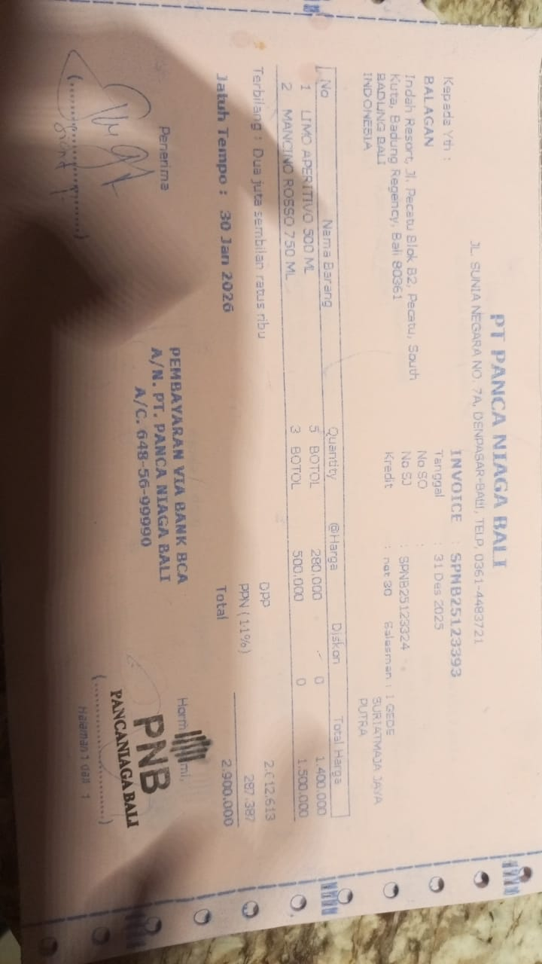 | IDR 280,000 | IDR 1,400,000 | IDR 2,900,000
 |  | MANONO ROSSO 750 ML | 3 |  | IDR 500,000 | IDR 1,500,000
 |  |  |  |  |  | IDR -
 |  |  |  |  |  | IDR - | IDR -
 |  |  |  |  |  |  | Rp4,175,000

DSP (Alcohol)
DATE | INV NO. | DESCRIPTIONS | QTY | PRICE | DISCOUNT | UNIT PRICE | SUBTOTAL | TOTAL | BILL
9-Dec-2025 | SO/DSP/25/12/0570 | MCGUIGAN - BLACK LABEL SAUVIGNON BLANC | 4 | IDR 295,000 | IDR 29,500 | IDR 265,500 | IDR 1,062,000 | IDR 1,062,000 | 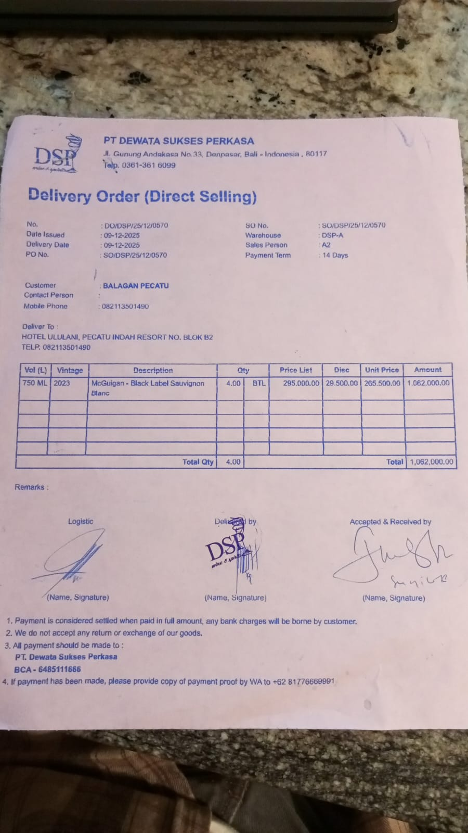
11-Dec-2025 | SO/DSP/25/12/0692 | HUNTER'S PINOT GRIS | 4 | IDR 385,000 | IDR 38,500 | IDR 346,500 | IDR 1,386,000 | IDR 2,718,000 | 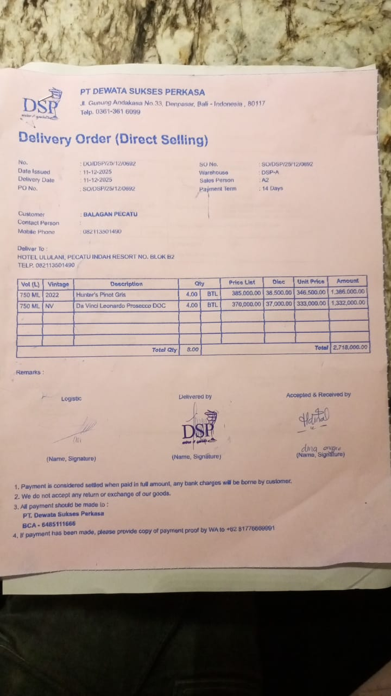
 |  | DA VINCI LEONARDO PROSECCO DOC | 4 | IDR 370,000 | IDR 37,000 | IDR 333,000 | IDR 1,332,000
15-Dec-2025 | SO/DSP/25/12/0908 | DONA DOMINGA CLASICO DE FAMILIA SYRAH | 3 | IDR 290,000 | IDR 29,000 | IDR 261,000 | IDR 783,000 | IDR 783,000 | 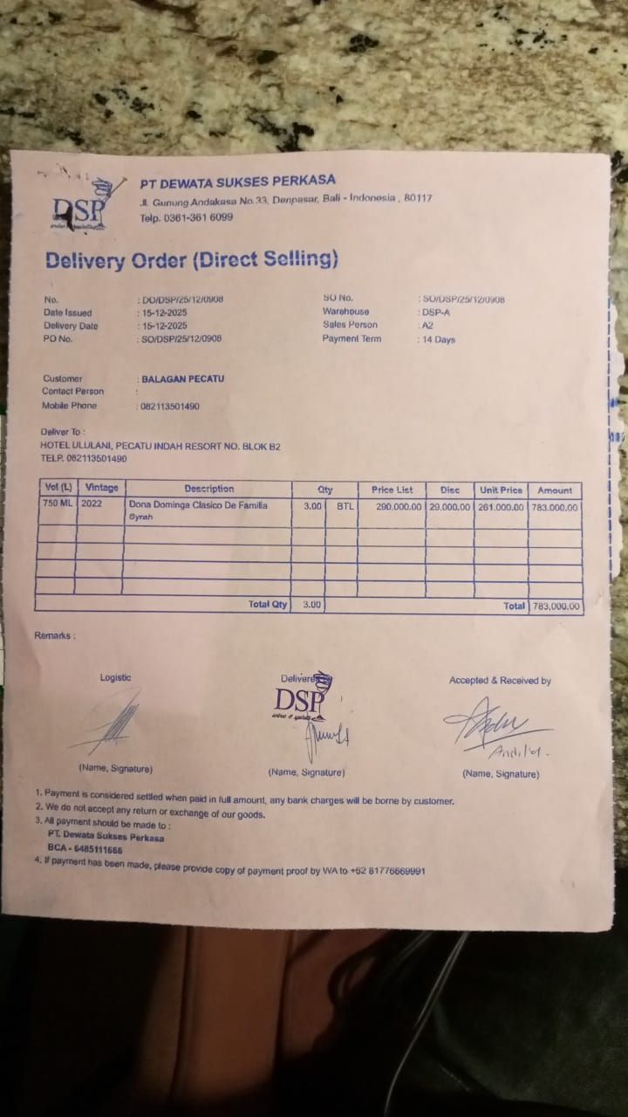
16-Dec-2025 | SO/DSP/25/12/1004 | SAN MARZANO TALO PRIMITIVO MERLOT | 3 | IDR 375,000 | IDR 37,500 | IDR 337,500 | IDR 1,012,500 | IDR 1,012,500 | 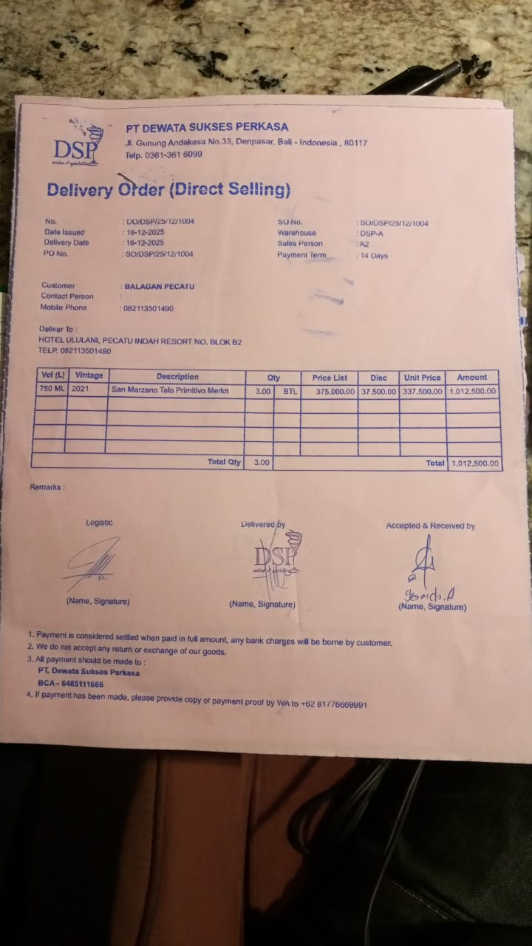
19-Dec-2025 | SOMDG/DSP/25/12/0138 | MDG - F VODKA | 3 | IDR 246,000 |  | IDR 246,000 | IDR 738,000 | IDR 3,132,000 | 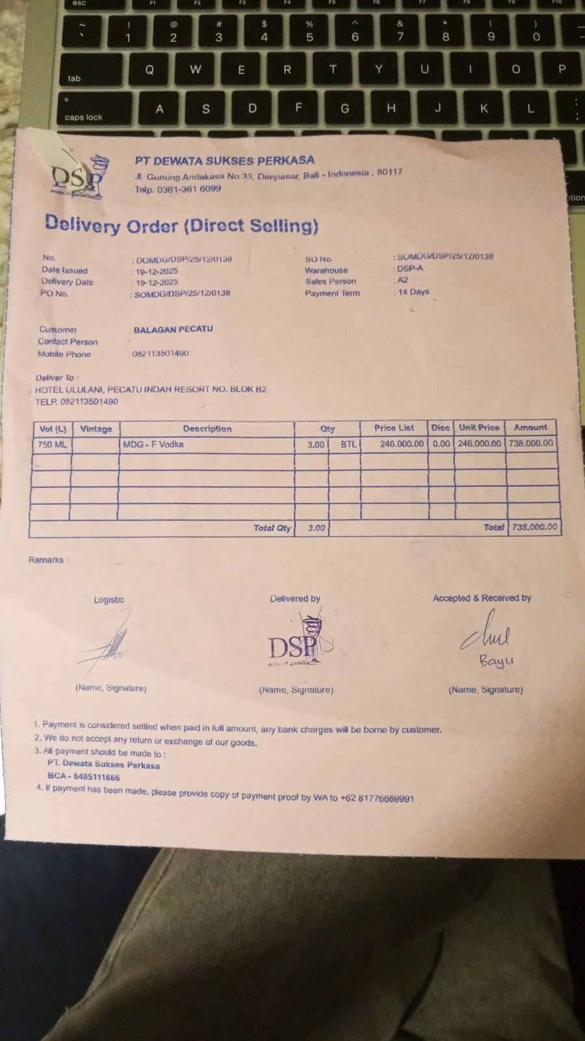
27-Dec-2025 | SO/DSP/25/12/1806 | MCGUIGAN - BLACK LABEL SAUVIGNON BLANC | 4 | IDR 295,000 | IDR 29,500 | IDR 265,500 | IDR 1,062,000 | IDR 1,062,000
28-Dec-2025 | SO/DSP/25/12/1870 | DA VINCI LEONARDO PROSECCO DOC | 4 | IDR 370,000 | IDR 37,000 | IDR 333,000 | Rp1,332,000 | IDR 1,332,000 | 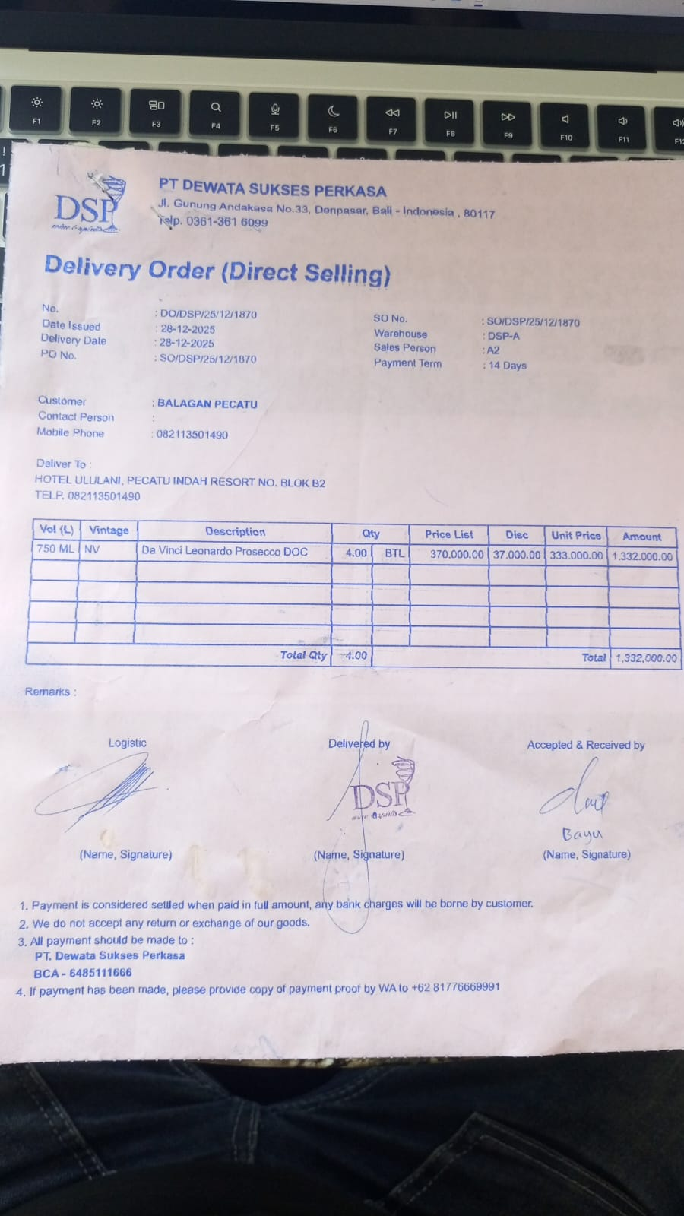
30-Dec-2025 | SO/DSP/25/12/2113 | HUNTER'S PINOT GRIS | 4 | IDR 385,000 | IDR 38,500 | IDR 346,500 | Rp1,386,000 | Rp4,846,500 | 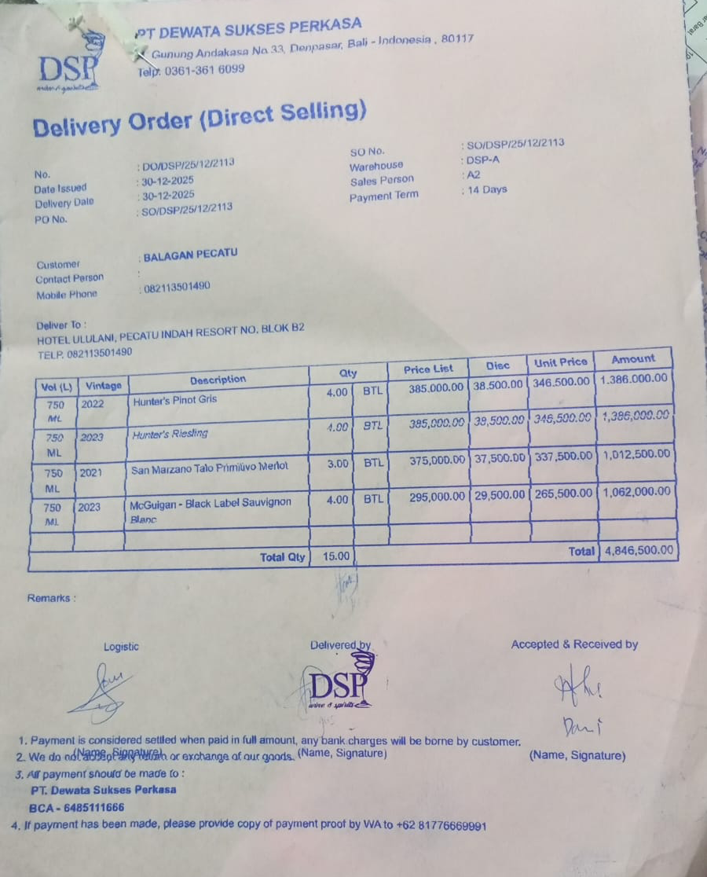
 |  | HUNTER'S RIESLING | 4 | IDR 385,000 | IDR 38,500 | IDR 346,500 | Rp1,386,000
 |  | SAN MARZANO TALO PRIMITIVO MERLOT | 3 | Rp375,000 | Rp37,500 | Rp337,500 | Rp1,012,500
 |  | MCGUIGAN-BLACK LABEL SAUVIGNON BLANC | 4 | Rp295,000 | Rp29,500 | Rp265,500 | Rp1,062,000
30-Dec-2025 | SOMDG/DSP/25/12/0226 | MDG - SACCHARUM WHITE RUM | 1 | Rp281,500 |  | Rp281,500 | Rp281,500 | Rp281,500 | 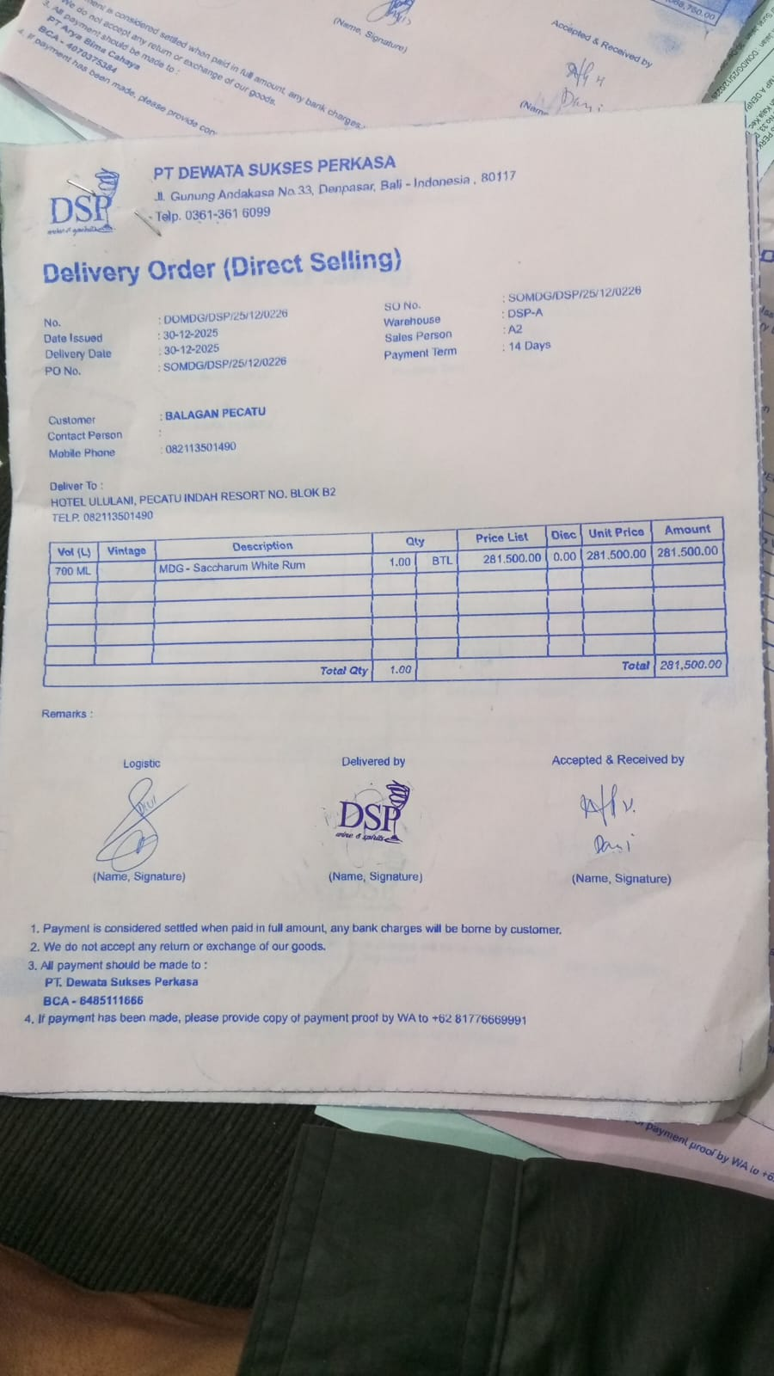
30-Dec-2025 | SO/DSP/25/12/2093 | DA VINCI LEONARDO PROSECCO DOC | 3 | Rp370,000 | Rp37,000 | Rp333,000 | Rp999,000 | Rp999,000 | 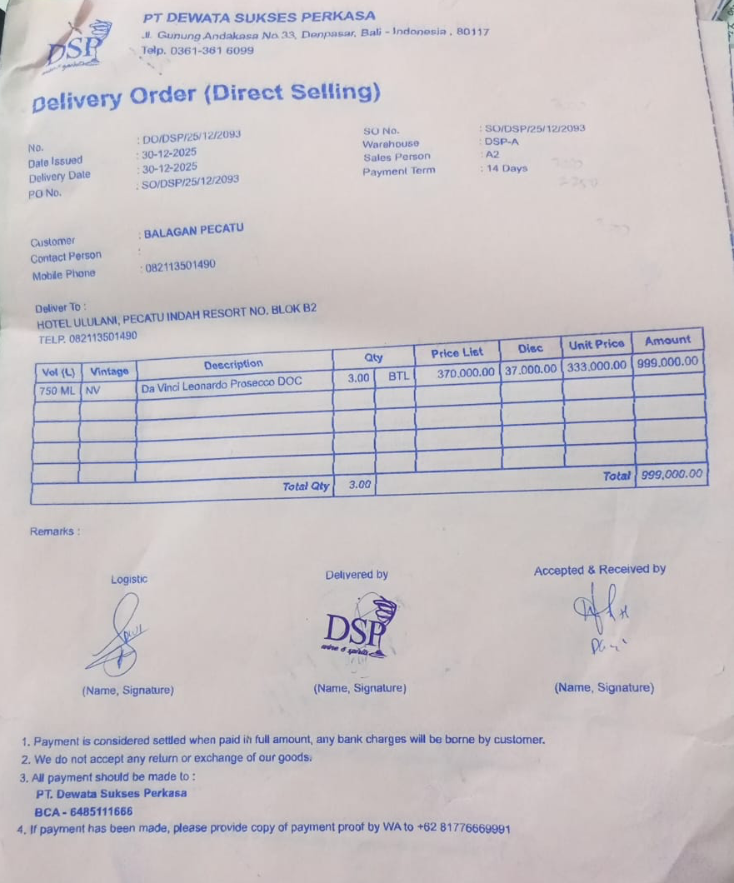
30-Dec-2025 | SO/DSP/25/12/2181 | DONA DOMINGA CLASICO DE FAMILIA SYRAH | 10 | Rp290,000 | Rp29,000 | Rp261,000 | Rp2,610,000 | Rp2,610,000 | 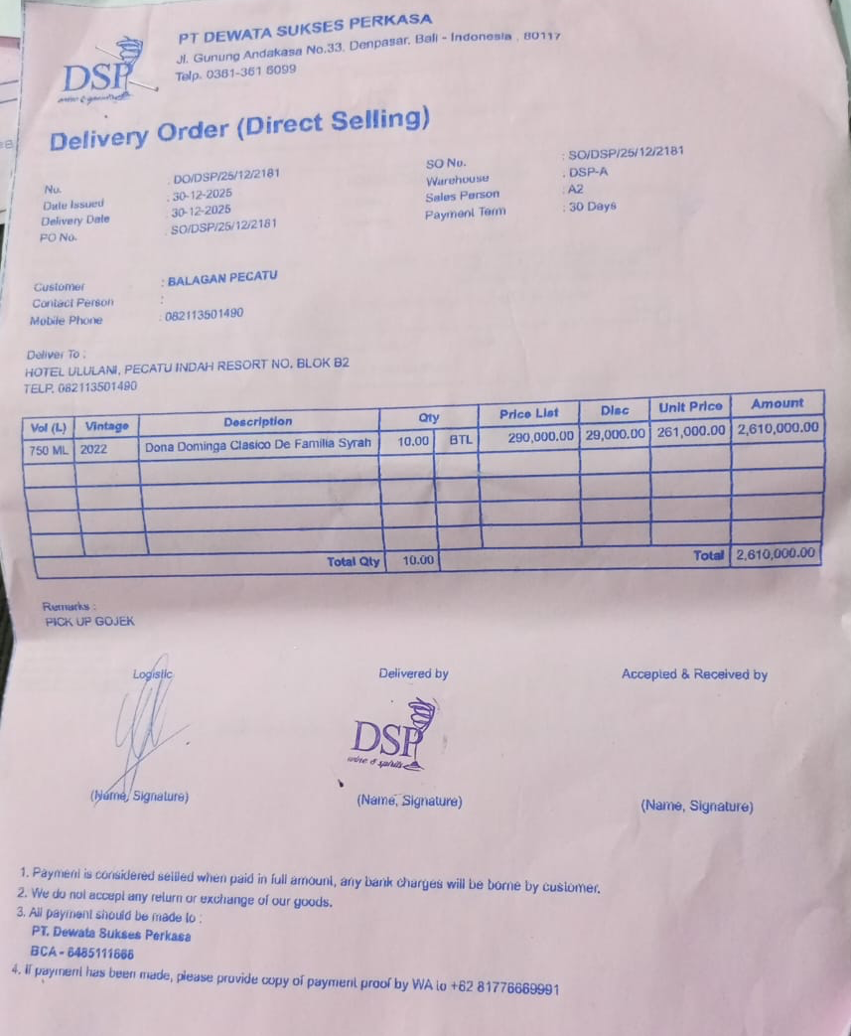
 |  |  |  |  | Rp- | Rp- | Rp- | Rp-
 |  |  |  |  | Rp- | Rp- | Rp- | Rp-
 |  |  |  |  | Rp- | Rp- | Rp- | Rp-
TOTAL |  |  |  |  | Rp19,838,500

DSP ARYA BIMA (Alcohol)
DATE | INV NO. | DESCRIPTIONS | QTY | BILLS | PRICE | SUBTOTAL | TOTAL
18-Dec-2025 | SOPR/ABC/25/12/0254 | CODIGO BLANCO | 1 | 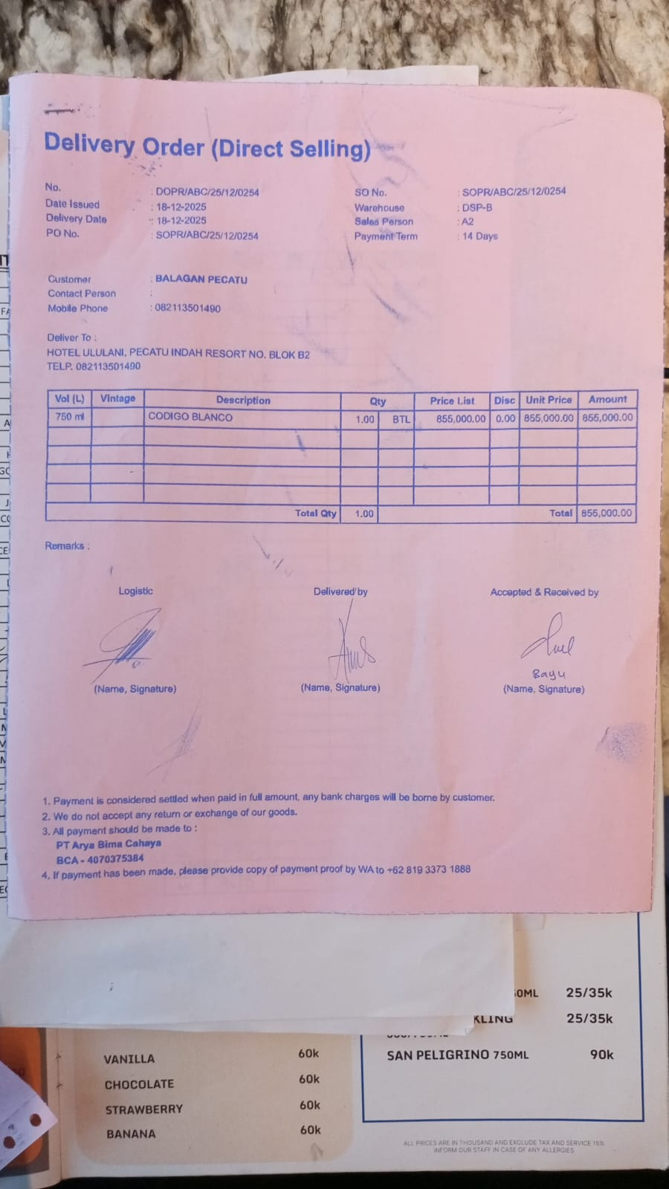 | IDR 855,000 | IDR 855,000 | IDR 855,000
26-Dec-2025 | SOPR/ABC/25/12/0411 | CODIGO BLANCO | 2 |  | IDR 855,000 | IDR 1,710,000 | IDR 1,710,000
30-Dec-2025 | SOPR/ABC/25/12/0491 | JOSE CUERVO REPOSADO TEQUILA | 3 | 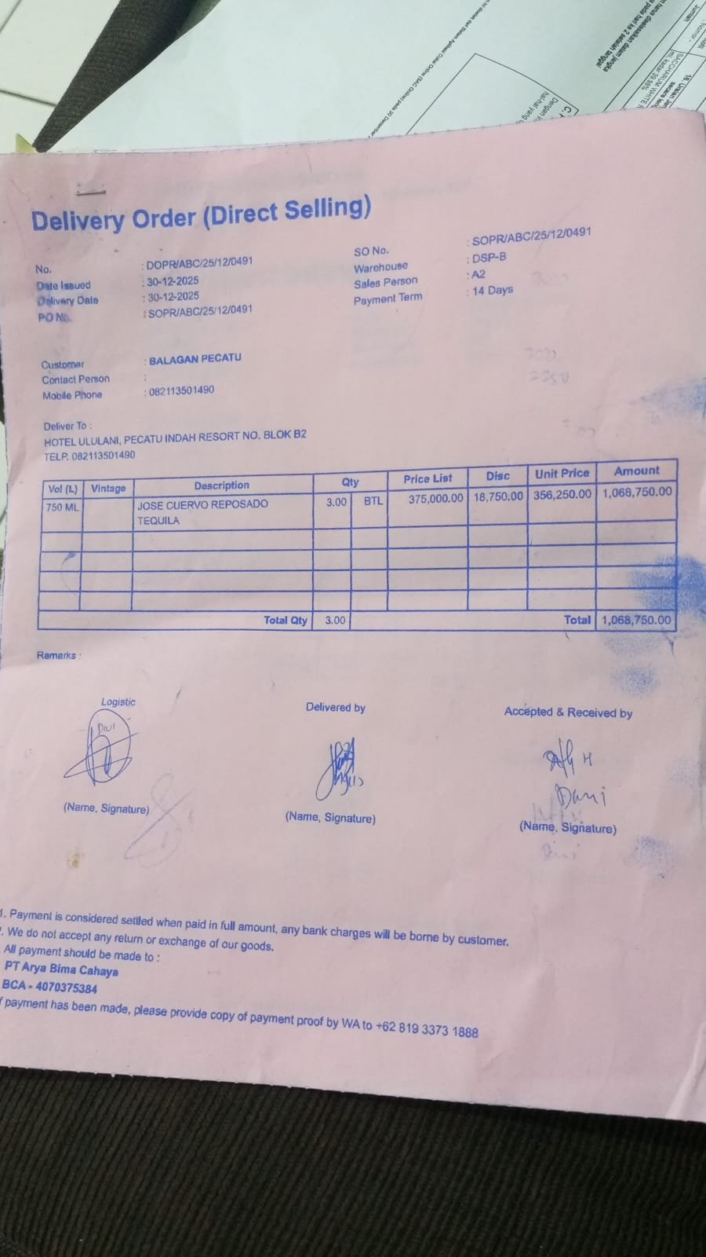 | IDR 356,250 | IDR 1,068,750 | IDR 1,068,750
TOTAL |  |  |  | Rp3,633,750

SELERA OR STIR UP (Syrup)
DATE | INV NO. | DESCRIPTIONS | QTY | BILLS | PRICE | SUBTOTAL | TOTAL
1-Dec-2025 | SO-2504780 | MARVELOUS MANGO PET | 5 | 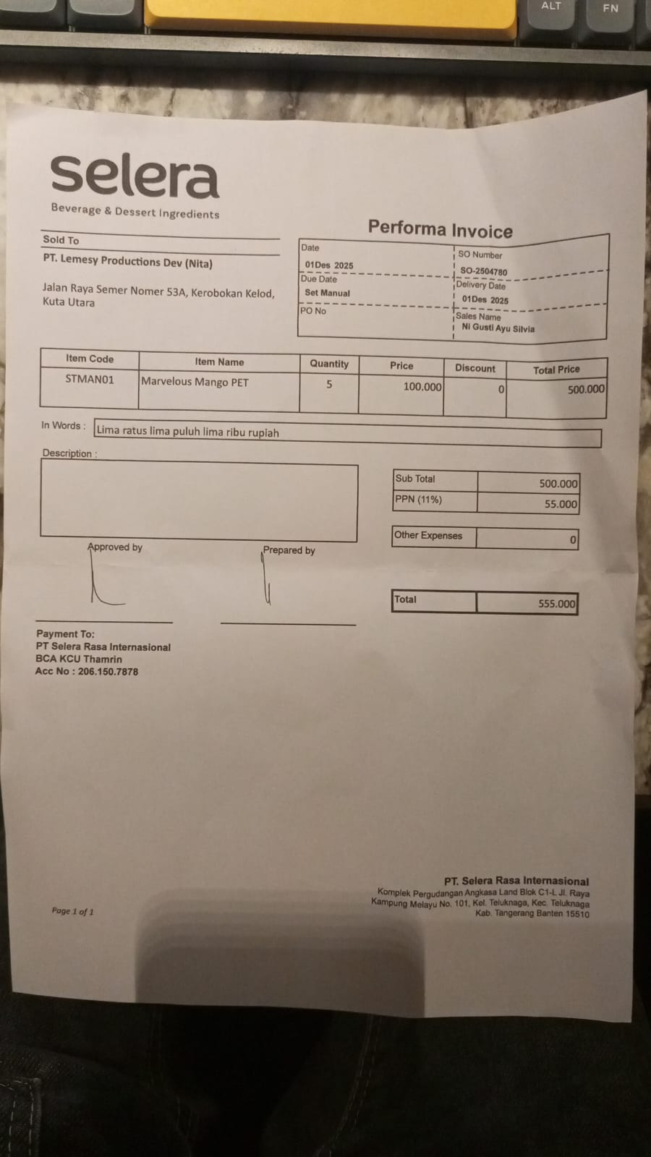 | IDR 100,000 | IDR 500,000 | IDR 500,000

SUB TOTAL |  |  | 5 |  | PPN (11%) |  | IDR 55,000
TOTAL |  |  |  | Rp555,000.00
8-Dec-2025 | SO-2504895 | PARADISE PEACH PET | 3 | 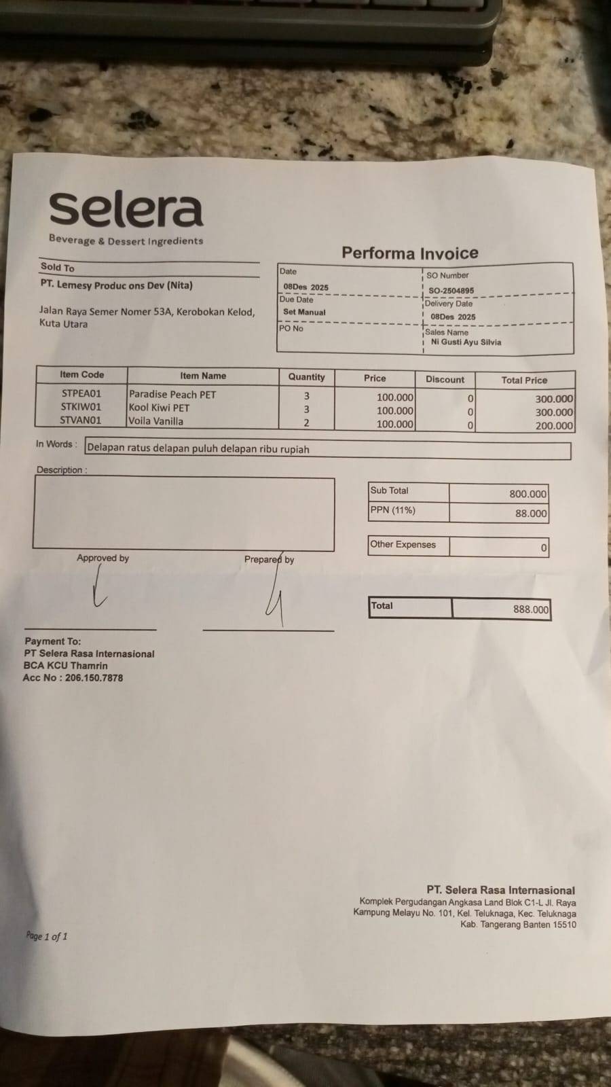 | IDR 100,000 | IDR 300,000 | IDR 800,000
 |  | KOOL KIWI PET | 3 |  | IDR 100,000 | IDR 300,000
 |  | VOILA VANILLA | 2 |  | IDR 100,000 | IDR 200,000
SUB TOTAL |  |  | 8 |  | PPN (11%) |  | IDR 88,000
TOTAL |  |  |  | Rp888,000.00
1-Dec-2025 | SO-2504780 | MARVELOUS MANGO PET | 5 | 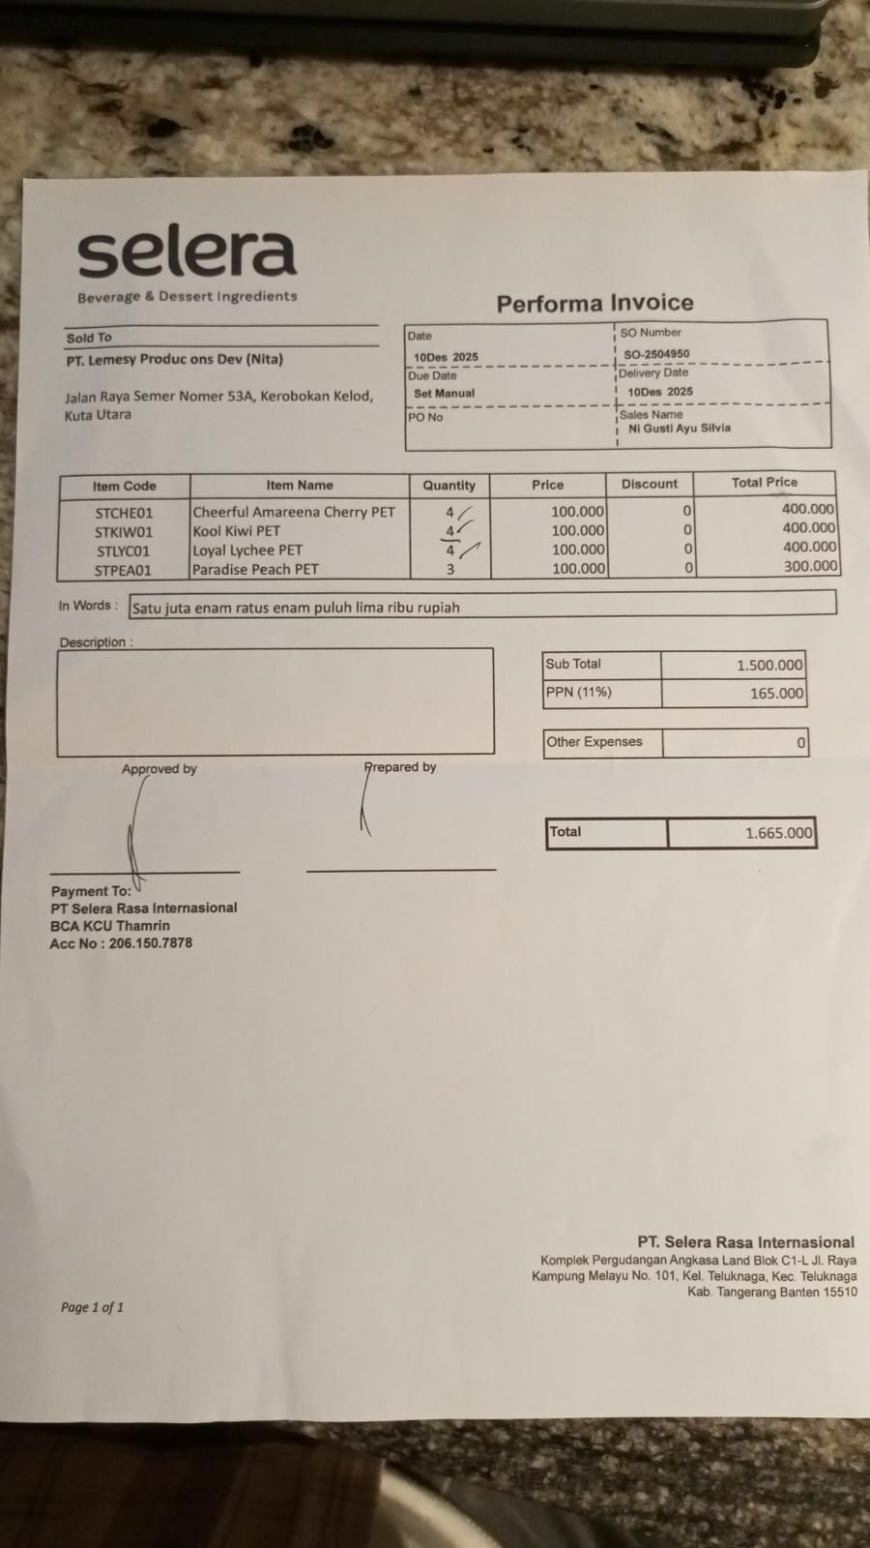 | IDR 100,000 | IDR 500,000 | IDR 500,000

SUB TOTAL |  |  | 5 |  | PPN (11%) |  | IDR 55,000
TOTAL |  |  |  | Rp555,000.00
29-Dec-2025 | SO-2505255 | MARVELOUS MANGO PET | 4 | 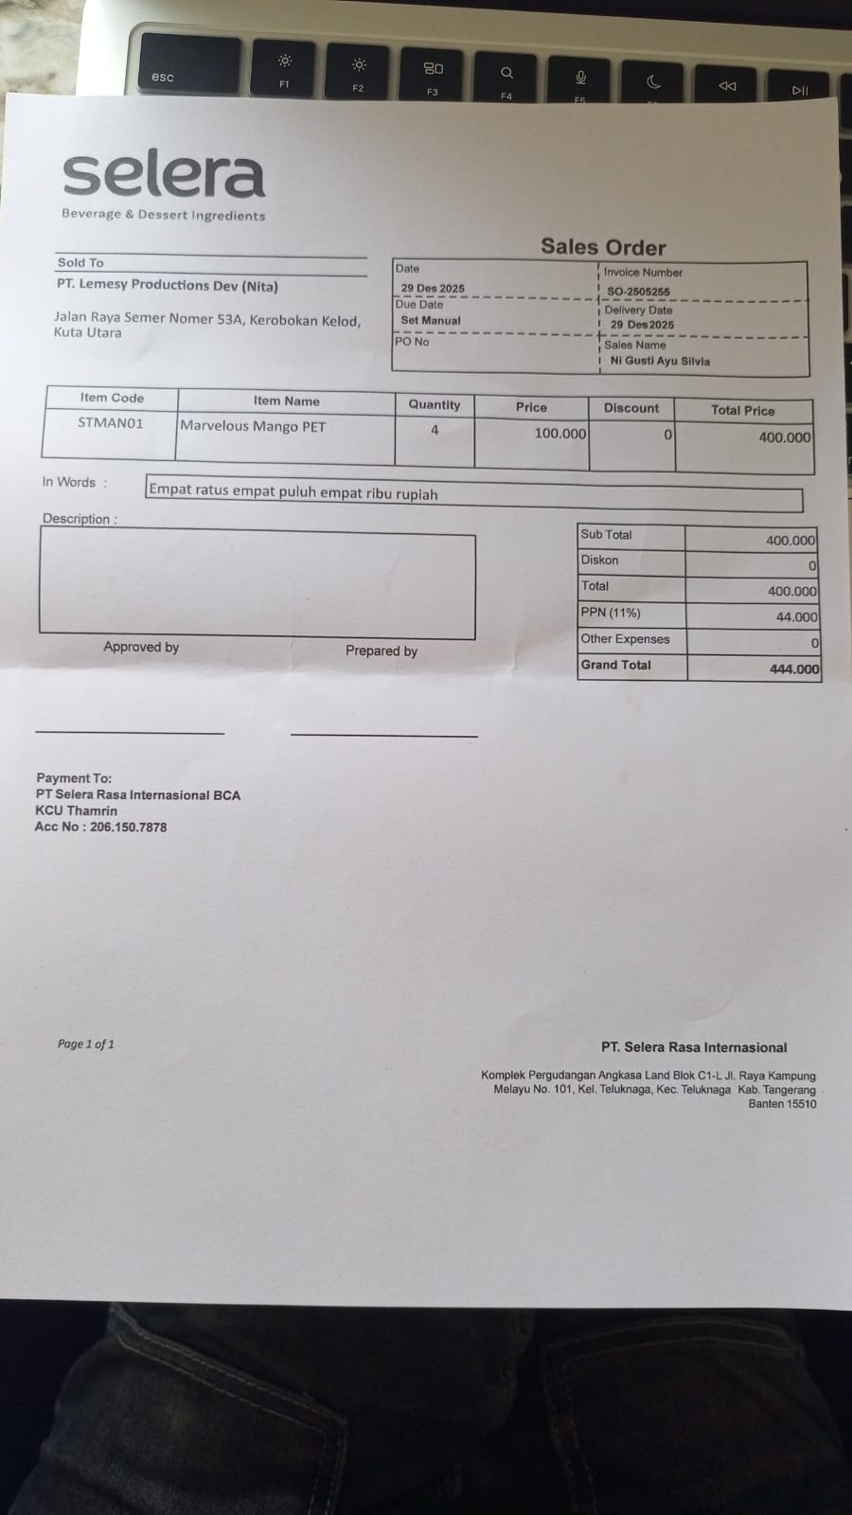 | IDR 100,000 | IDR 400,000 | IDR 400,000

SUB TOTAL |  |  | 4 |  | PPN (11%) |  | IDR 44,000
TOTAL |  |  |  | Rp444,000.00
GRAND TOTAL |  |  |  | Rp2,442,000.00

DW BALI (Alcohol)
DATE | INV NO. | DESCRIPTIONS | AMOUNT | BILLS | PRICE | SUBTOTAL | TOTAL
10-Dec-2025 | DW/68/007 | APEROL | 2 | 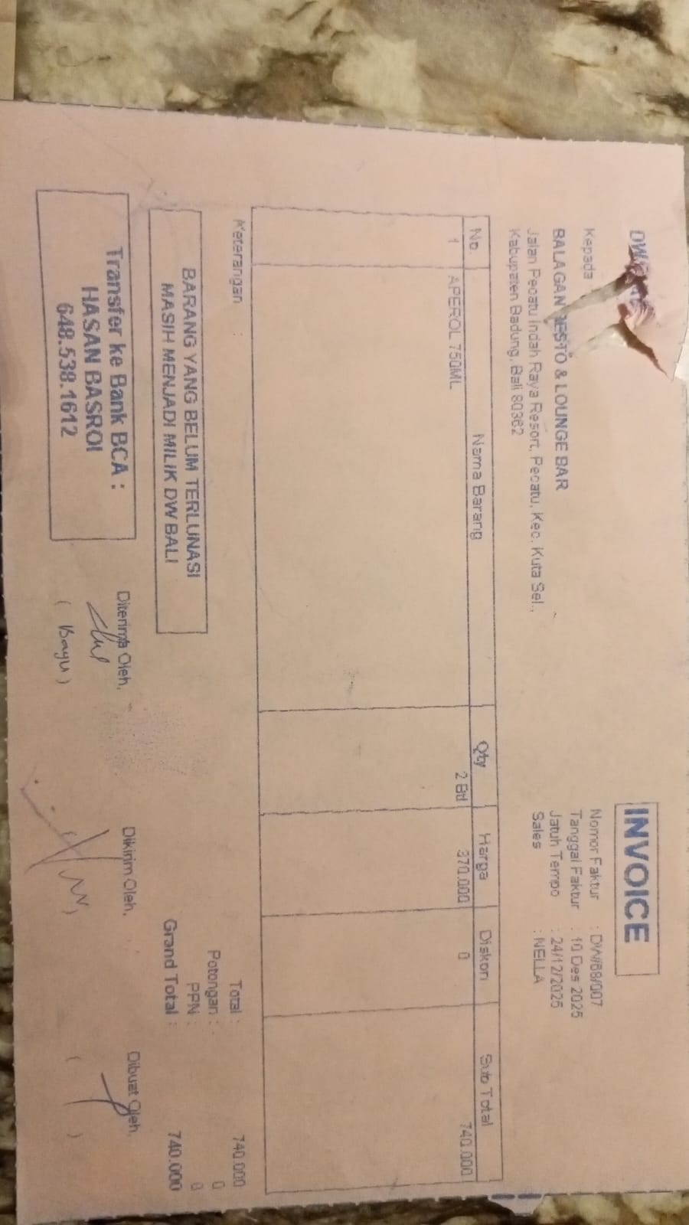 | Rp370,000 | Rp740,000 | Rp740,000
10-Dec-2025 | DW/68/001 | JIM BEAM WHITE 750ML | 4 | 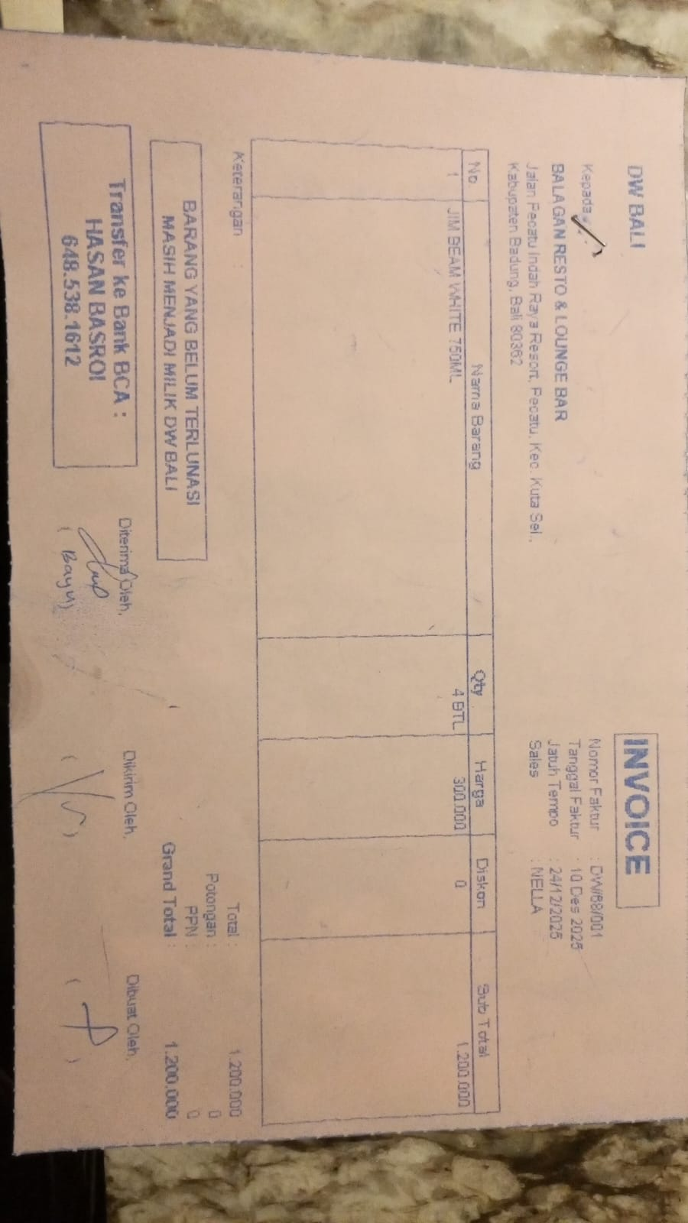 | Rp300,000 | Rp1,200,000 | Rp1,200,000
13-Dec-2025 | DW/68/179 | JIM BEAM BLACK 750ML | 1 | 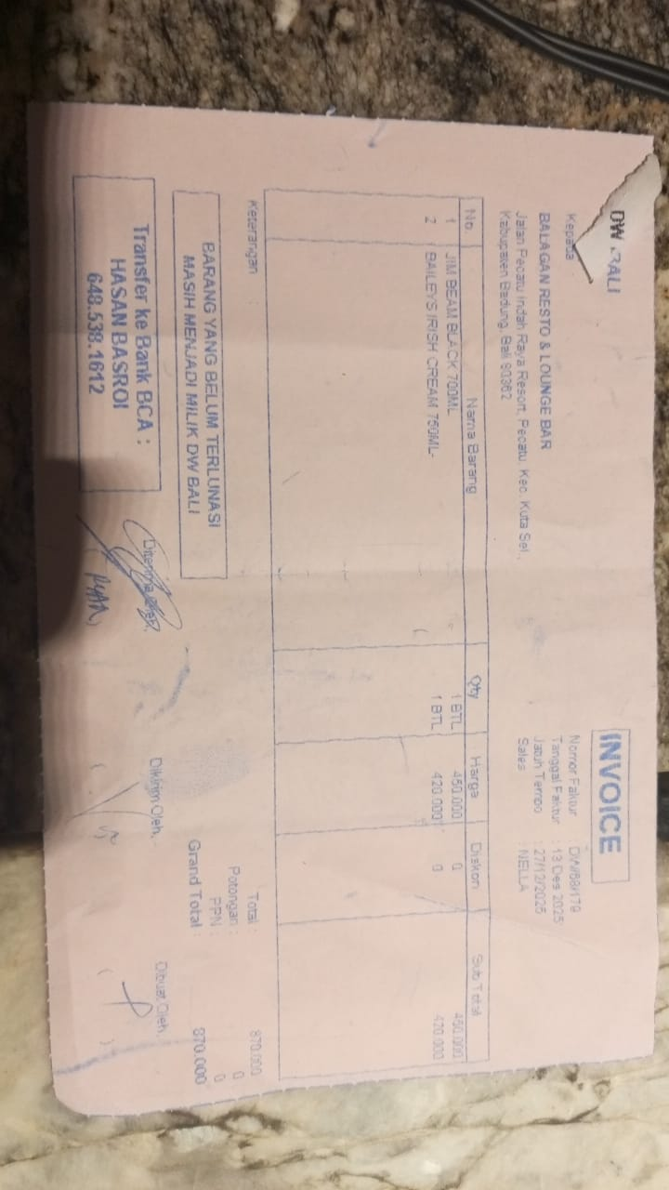 | Rp450,000 | Rp450,000 | Rp870,000
 |  | BAILEYS IRISH CREAM 750ML | 1 |  | Rp420,000 | Rp420,000
30-Dec-2025 | 1900-04-19 | JOSE CUERVO 700ML | 10 |  |  | Rp- | Rp-
 |  | CAMPARI | 3
 |  | JIM BEAM BLACK 750ML | 4
 |  | GREY GOOSE 750ML | 1
 |  | EL JIMADOR REPOSADO | 1
 |  | APEROL | 1
 |  | CODIGO BIANCO | 1

 |  |  |  |  |  | Rp-
GRAND TOTAL |  |  |  |  | Rp2,810,000

DDB (Alcohol)
DATE | INV NO. | DESCRIPTIONS | AMOUNT | BILLS | PRICE | TOTAL
8-Dec-2025 | 38678 | CAPE DISCOVERY BRUT CUVEE 750ML | 3 | 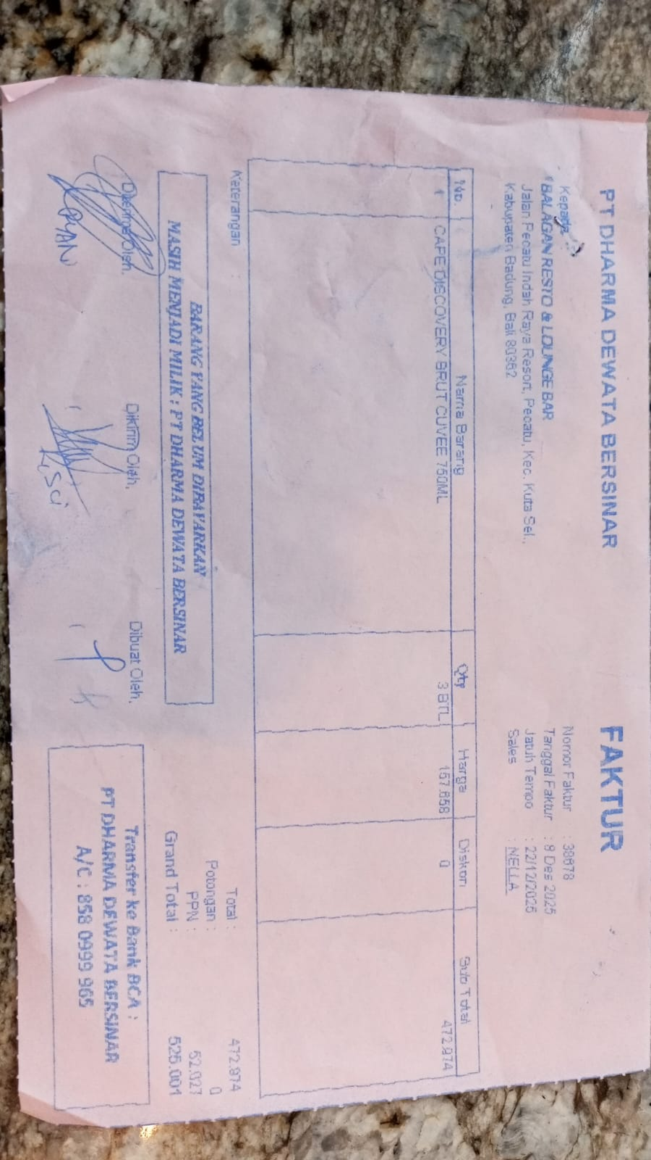 | IDR 157,658 | IDR 472,974
SUB TOTAL |  |  |  |  | PPN | IDR 52,027
TOTAL |  |  |  | Rp525,001
30-Dec-2025 | 00867 | CAPE DISCOVERY BRUT CUVEE 750ML | 3 |  |  | IDR -
 |  | GORDON GIN | 3
SUB TOTAL |  |  |  |  | PPN | Rp-
TOTAL |  |  |  | Rp-

TOTAL

TOTAL
GRAND TOTAL |  |  |  | IDR 525,001

BALI PERMATA JAYA (Corona Beer)
DATE | INV NO. | DESCRIPTIONS | AMOUNT | BILLS | PRICE | TOTAL | STATUS
8-Dec-2025 | INV/PERMAQ/25/12/0251 | CORONA BEER | 24 | 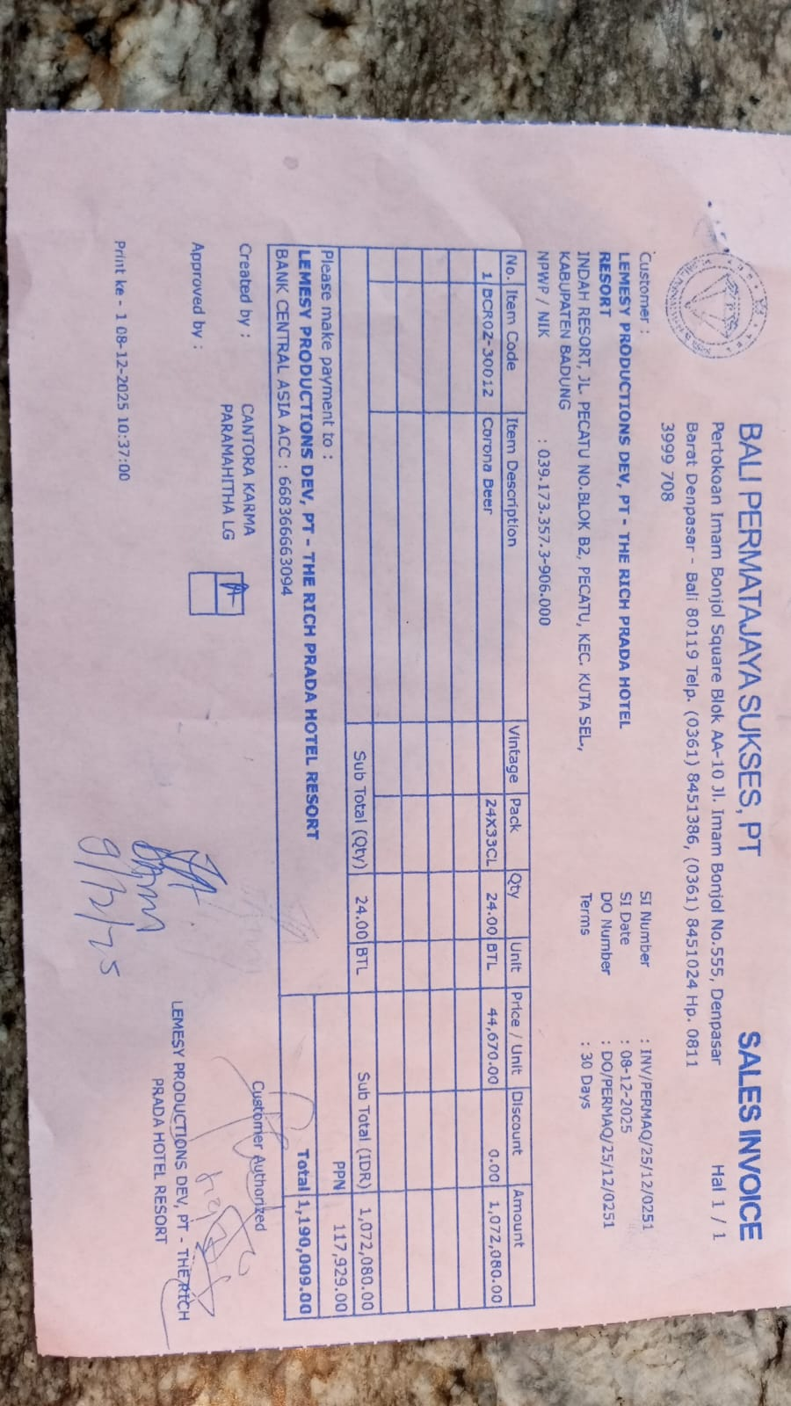 | IDR 44,670 | IDR 1,072,080
SUB TOTAL |  |  | 24 |  | PPN | Rp117,929
TOTAL |  |  |  | Rp1,190,009
 |  |  |  |  |  | IDR -
SUB TOTAL |  |  | 0 |  | PPN | Rp-
TOTAL |  |  |  | Rp-
 |  |  |  |  |  | IDR -
SUB TOTAL |  |  |  |  | PPN | Rp-
TOTAL |  |  |  | Rp-
 |  |  |  |  |  | IDR -
SUB TOTAL |  |  |  |  | PPN | Rp-
TOTAL |  |  |  | Rp-

SUB TOTAL |  |  |  |  | PPN | Rp-
TOTAL |  |  |  | Rp-
GRAND TOTAL |  |  |  | Rp1,190,009

BLACK COFFEE ROASTERS (Coffee)
DATE | INV NO. | DESCRIPTIONS | QTY | PRICE | BILLS | TOTAL
10-Dec-2025 | BL2-10-2320 | CANGGU BLEND 1KG | 10 | IDR 280,000 | 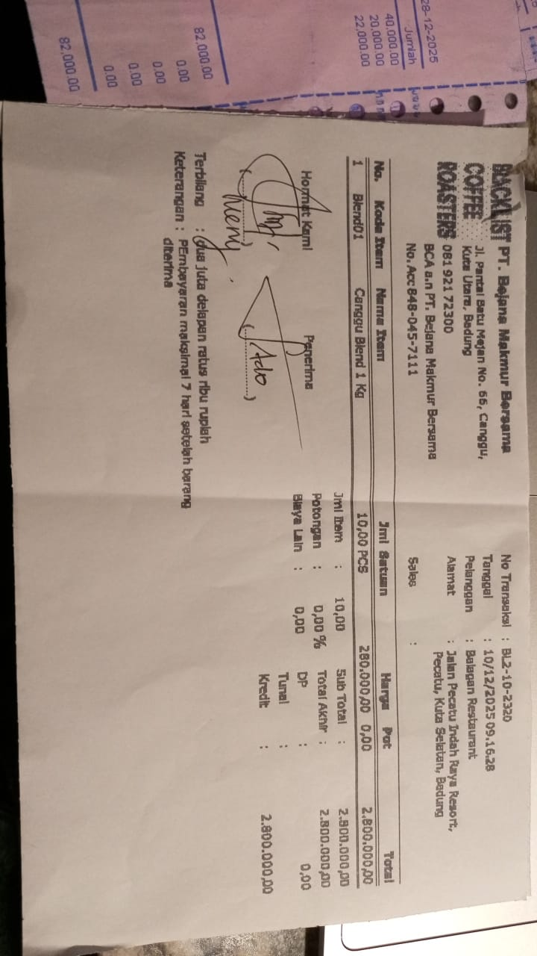 | IDR 2,800,000
15-Dec-2025 | BL2-10-2348 | CANGGU BLEND 1KG | 10 | IDR 280,000 | 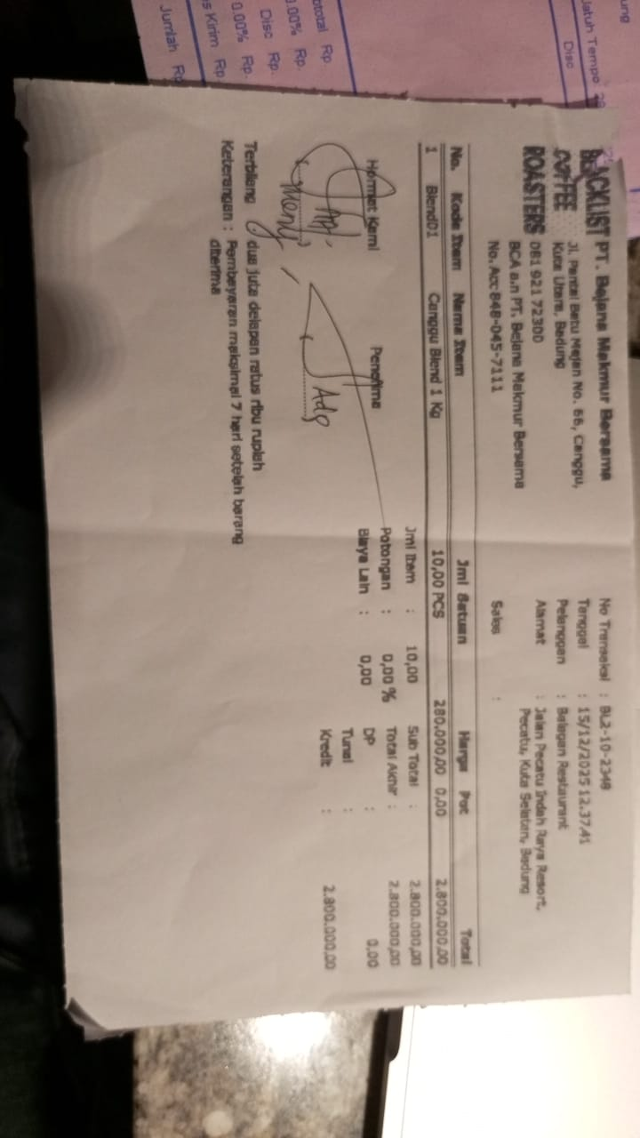 | IDR 2,800,000
Total |  |  |  |  | Rp5,600,000

PT. PRASIDA LANTUR MAJU (Wine)
DATE | INV NO. | DESCRIPTIONS | QTY | BILLS | PRICE | TOTAL
8-Dec-2025 | PLM-INV4742/2025 | ISOLA RISERVA SYRAH 750ML | 3 | 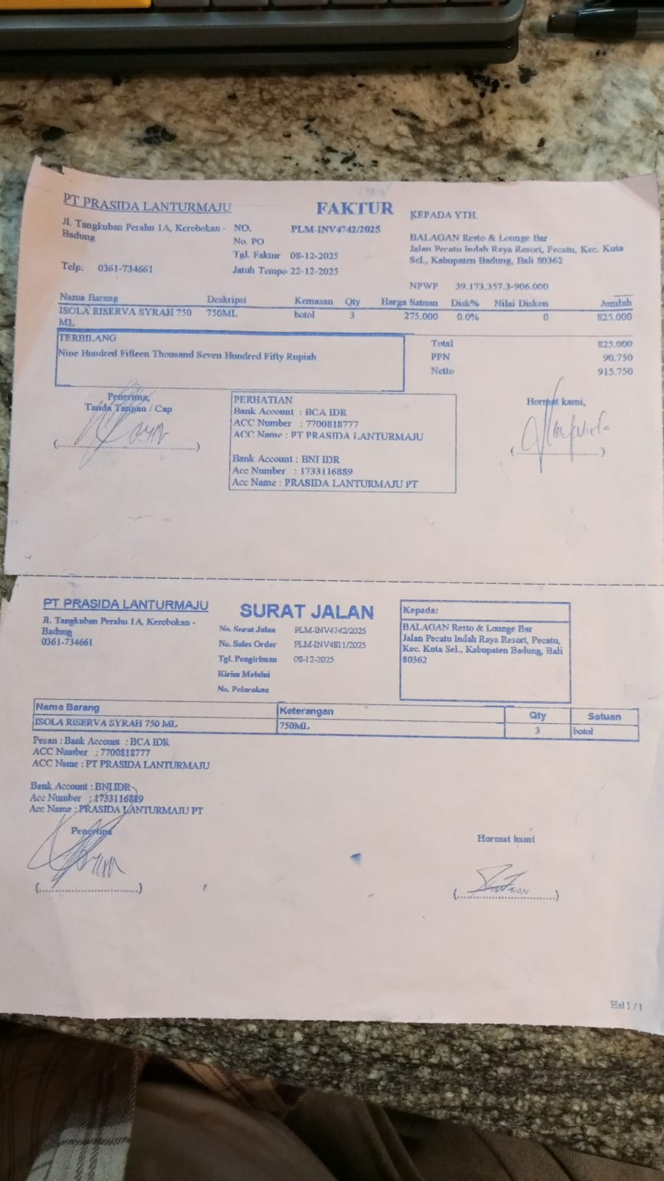 | IDR 275,000 | IDR 825,000
SUBTOTAL |  |  | 3 |  | PPN | Rp90,750
TOTAL |  |  |  | Rp915,750

TOTAL |  |  |  | Rp-
GRAND TOTAL |  |  |  | Rp915,750

Dewata Kencana Distribusi (Vdka
DATE | DUE DATE | DESCRIPTIONS | QTY | BILLS | UNIT PRICE | SUBTOTAL | TOTAL
27-Dec-2025 | 9-Jan-2026 | ICELAND VODKA BLACK TEA 700ML | 6 | 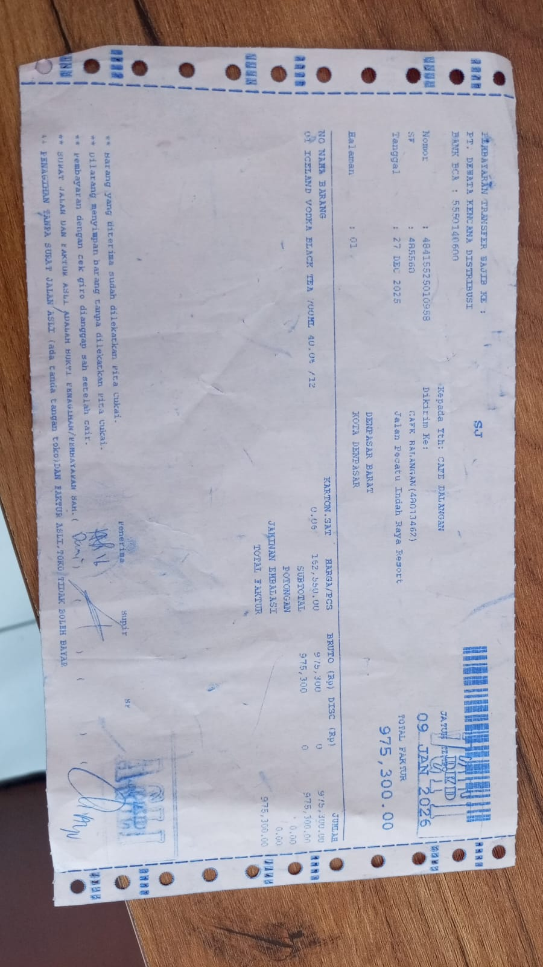 | IDR 152,550 | IDR 915,300 | IDR 915,300
GRAND TOTAL |  |  |  |  | Rp915,300

